testing task
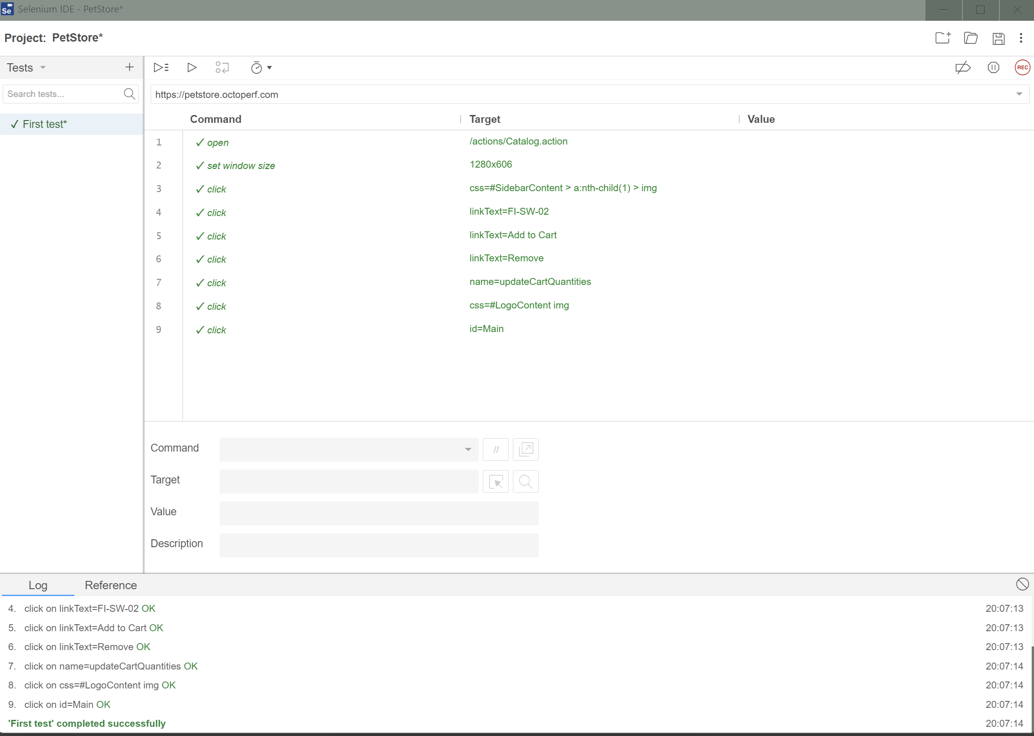
Task 1. Please write some scenario/test that would cover the testing 2. Identify bugs (if any) 3. Optional: create different testing packages (like smoke regression etc) or prioritize the tests 4. Please get the response from the following endpoint: (can be with any tools, postman etc) BaseURL: https://betvictor.free.beeceptor.com Headers: Content Type: application/json GET: /betvictor GET: /myChanceToGetAccepted POST: /changeMyChance 5. Please mention any tools/ technologies that helped you and what would you recommend for automation? Is the automation worth it? If yes, what technology you would use? (Theoretical question, do not have to be expert in any automation related technology)
Answers
1 | See page "TC PetStore" in this document
2 | See on page "TC PetStore" in this document column "BUGS"
3 | In this case, test cases have been prioritized. To Use them for Smoke test you can take only P1-High prioritaze. For regression you can use all of them. To quicker regression test (if time is not enought) you can use P1 and P2 for testing.
4 | See attaches in e-mail
5 | For this task I used Postman, DevTools and Selenium (Goggle Chrome Extension). In that case i think that Selenium can help with testcases which checking transitions. You can do this autotest befor Regression.

TC PetStore
Product | Priority | TC ID | Title | Initial conditions | Steps to reproduce | Expected Result | Requirements | UI/UX | Section | BUGS
Browser | P2 - Medium | MP-001 | Check UI of main page | 1. Not Authorized | 1. Open main page 2. Check UI | Everything as designed (pictures, colors, text style etc.) | https://petstore.octoperf.com/help.html |  | main page
Browser | P1 - High | MP-002 | Check transition in left menu | 1. Not Authorized | 1. tap on any button in left menu | was opened list of categories | https://petstore.octoperf.com/help.html |  | main page
Browser | P1 - High | MP-003 | Check transition in top menu | 1. Not Authorized | 1. tap on any button in top menu | was opened list of categories | https://petstore.octoperf.com/help.html |  | main page
Browser | P2 - Medium | MP-004 | Check transition in picture menu | 1. Not Authorized | 1. tap on any picture-button in picture menu | was opened list of categories | https://petstore.octoperf.com/help.html |  | main page
Browser | P2 - Medium | MP-005 | Check transition on main page from related | 1. Not Authorized | 1. Open any page 2. Tap on a. Logo b. button | Redireection on main page | https://petstore.octoperf.com/help.html |  | main page
Browser | P1 - High | MP-006 | Check searching | 1. Not Authorized | 1. Tap on searching 2. incert correct request (ex: Angelfish) | searching request (word) was found. Was opened page of category | https://petstore.octoperf.com/help.html |  | main page
Browser | P3 - Low | MP-007 | Check error of searching | 1. Not Authorized | 1. Tap on searching 2. incert incorrect request (ex: jkdhgjdhgj) | was opened page with empty table (Product ID, Name) | https://petstore.octoperf.com/help.html |  | main page
Browser | P2 - Medium | MP-008 | Check emty searching | 1. Not Authorized | 1. Open main page 2. Dont enter anything 3. Tap on Search button | Everything as designed (pictures, colors, text style etc.) | https://petstore.octoperf.com/help.html |  | main page | Dubbled message steps: 1. Open main page 2. Dont enter anything 3. Tap on Search button result: the message was displayed twice exp. result: it will be enough to display it once
Browser | P2 - Medium | MP-009 | Check UI of authorized main page | 1. Not Authorized | 1. Do Authorization 2. open main page | Everything as designed (pictures, colors, text style etc.) | https://petstore.octoperf.com/help.html |  | main page
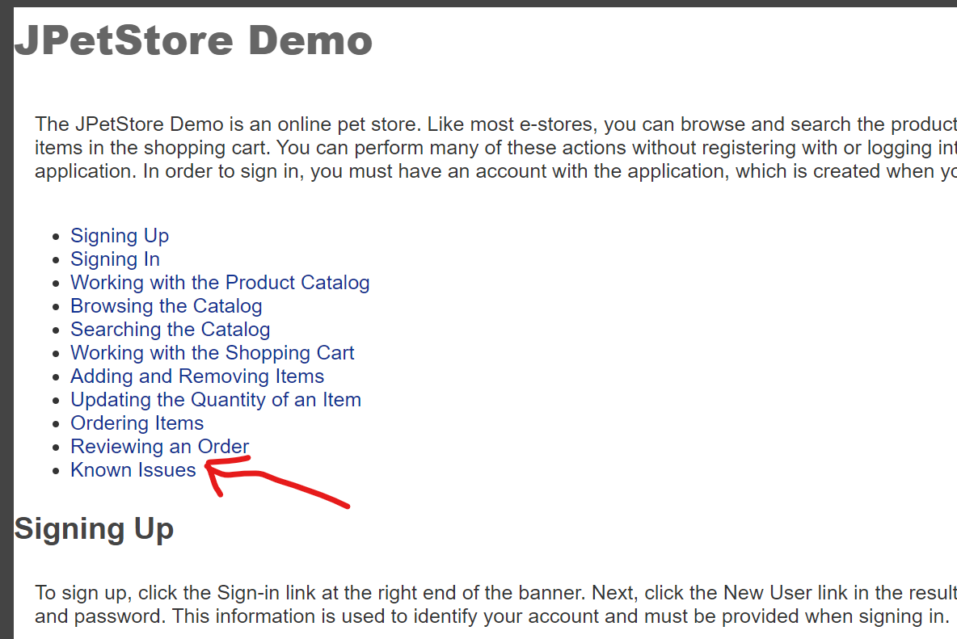
Browser | P1 - High | MP-009 | Check information page | 1. Not Authorized | 1. Tap on icon "?" | Everything as designed (pictures, colors, text style etc.) Every links have content | https://petstore.octoperf.com/help.html |  | main page | Link without content steps: 1. Tap on icon "?" 2. tap on link "Known Issues" result: No reaction exp. result: was opened page with content

Browser | P2 - Medium | SHCT-001 | UI. Check empty cart | 1. Not Authorized | 1. Open cart | Everything as designed (pictures, colors, text style etc.) | https://petstore.octoperf.com/help.html |  | Shopping Cart
Browser | P1 - High | SHCT-002 | UI. Check not empty cart | 1. Not Authorized | 1. Add in cart: a. 1 position b. > 1 positions c. maximum positions 2. Open cart | Everything as designed (pictures, colors, text style etc.) Every position is display. No limits for positions | https://petstore.octoperf.com/help.html |  | Shopping Cart
Browser | P1 - High | SHCT-003 | Check delete any position from cart | 1. Not Authorized | 1. Add in cart any counts of position 2. Open cart 3. Tap on Remove button | Chosen position was deleted from cart | https://petstore.octoperf.com/help.html |  | Shopping Cart
Browser | P1 - High | SHCT-004 | Check changing of Sub Total | 1. Not Authorized | 1. Add in cart any position 2. Open cart 3. Check Sub total 4. Delete any position 5. Check Sub total | Sub total change | https://petstore.octoperf.com/help.html |  | Shopping Cart
Browser | P2 - Medium | SHCT-005 | Check button "Return to Main Menu" | 1. Not Authorized | 1. Add in cart any position 2. Open cart 3. Tap on returning button | User was returnd on main menu page | https://petstore.octoperf.com/help.html |  | Shopping Cart

Browser | P2 - Medium | SHCT-006 | Check button "Update cart" | 1. Not Authorized | 1. Add in cart any position 2. Open cart 3. Enter in Quantity any number 4. Tap on Update cart 5. Check Sub total | Quantity and Sub total was chaged. | https://petstore.octoperf.com/help.html |  | Shopping Cart
Browser | P1 - High | SHCT-007 | Check button "Proceed to Checkout" | 1. Not Authorized | 1. Add in cart any position 2. Open cart 3. Tap on Proceed to Checkout | was opened page with authorization request | https://petstore.octoperf.com/help.html |  | Shopping Cart | Not correct message steps: 1. Add in cart any position 2. Open cart 3. Tap on Proceed to Checkout result: In text of message written "sign ON" exp. result: Should be "sign IN"
Browser | P1 - High | SHCT-008 | Check button "Proceed to Checkout" | 1. Authorized | 1. Add in cart any position 2. Open cart 3. Tap on Proceed to Checkout | You can pay? | https://petstore.octoperf.com/help.html |  | Shopping Cart
Browser | P2 - Medium | SHCT-009 | Check transition in Position info | 1. Authorized | 1. Add in cart any position 2. Open cart 3. Tap on Item ID | was opened page with product info | https://petstore.octoperf.com/help.html |  | Shopping Cart

Browser | P2 - Medium | REG-001 | UI. check registration form | 1. Not Authorized | 1. Tap on Sign in 2. tap on Register Now! | Everything as designed (pictures, colors, text style etc.) | https://petstore.octoperf.com/help.html |  | registration
Browser | P1 - High | REG-002 | Check registration success | 1. Not Authorized | 1. Tap on Sign in 2. tap on Register Now! 3. Fill all fields 4. TAp on save account information | user was successfully registered | https://petstore.octoperf.com/help.html |  | registration | registration failed with 500 steps: 1. Tap on Sign in 2. tap on Register Now! 3. Fill all fields 4. TAp on save account information result: Status 500 – Internal Server Error exp. result: registration successful
Browser | P2 - Medium | REG-003 | Check registration failed | 1. Not Authorized | 1. Tap on Sign in 2. tap on Register Now! 3. Fill not all required fields 4. TAp on save account information | Cursor was appeared in required field. Registration not finished | https://petstore.octoperf.com/help.html |  | registration
Browser | P1 - High | REG-004 | Check all required fields |  | 1. Tap on Sign in 2. tap on Register Now! 3. Fill first required field 4. TAp on save account information 5. Fill second required field 6. repete 3-4 steps until all required fields will be filled | Cursor was appeared in next required field | https://petstore.octoperf.com/help.html |  | registration

Browser | P2 - Medium | AUTH-001 | UI. Check authorization page | 1. Not Authorized | 1. tap on Sign in | Everything as designed (pictures, colors, text style etc.) | https://petstore.octoperf.com/help.html |  | auth
Browser | P2 - Medium | AUTH-002 | Check fields | 1. Not Authorized | 1. tap on Sign in 2. Fill the fields a. maximum symbols b. invalid symbols | There should be a prompt | https://petstore.octoperf.com/help.html |  | auth
Browser | P1 - High | AUTH-003 | Check authorization success | 1. Not Authorized | 1. tap on Sign in 2. Enter correct Username/Password 3. Tap login | User was successfully authorized. Was opened Main page | https://petstore.octoperf.com/help.html |  | auth
Browser | P3 - Low | AUTH-004 | Check authorization failed | 1. Not Authorized | 1. tap on Sign in 2. Enter uncorrect Username or Password 3. Tap login | was displaued en Error message. user can try again | https://petstore.octoperf.com/help.html |  | auth

Browser | P2 - Medium | CAT-001 | UI. Check list of categories | 1. Not Authorized | 1. tap on any button in any menu | Everything as designed (pictures, colors, text style etc.) | https://petstore.octoperf.com/help.html |  | Catalog
Browser | P2 - Medium | CAT-002 | UI. Check list of products | 1. Not Authorized | 1. tap on any button in any menu 2. Choose category | Everything as designed (pictures, colors, text style etc.) | https://petstore.octoperf.com/help.html |  | Catalog
Browser | P1 - High | CAT-003 | Check info about item | 1. Not Authorized | 1. tap on any button in any menu 2. Choose category 3. Choose product | Everything as designed (pictures, colors, text style etc.) info should conteine: - Foto of product - description - ID - name - breed - Quantity - price - button for adding to cart | https://petstore.octoperf.com/help.html |  | Catalog
Browser | P1 - High | CAT-004 | Check button "Add to cart" | 1. Authorized | 1. tap on any button in any menu 2. Choose category 3. Choose product 4. Add to cart | The chosen position was added to cart. User was redirected on cart's page | https://petstore.octoperf.com/help.html |  | Catalog

